Overview
HMS_Linking_Configuration_Slow.xlsx

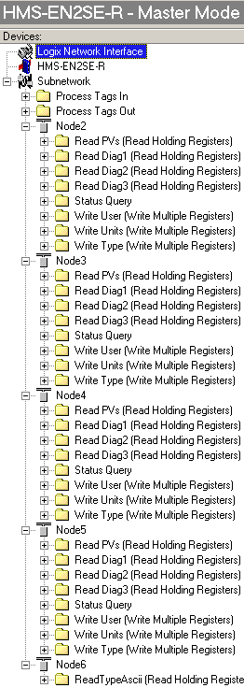

 | This is the Current Configuration with Node 1 (an M100 probe) removed and Node 6 being a non-M100 probe.
 | This is a temporary config as I don't have the details for Node 6 yet.

 | See other worksheet tabs for more detail

Master Config
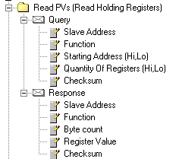
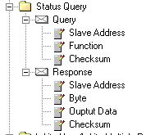
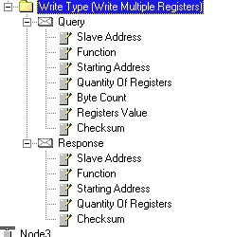
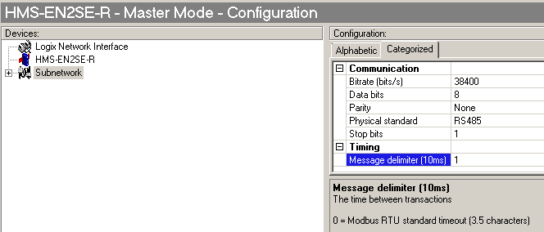
 |  |  |  |  |  |  |  |  |  |  | * Data location in HMS I/O buffer.
HMS Master Configuration |  | Query |  |  |  |  |  |  | Response |  |  | Timing Info
 |  | Function (decimal) | Starting Address | Number of Registers | Byte Count | HMS Register Values |  |  | Byte Count | Register Value |  | Mode | Update Time (ms) | Timeout Time (ms) | Re-Connect Time (ms) | Retries
 |  |  |  |  |  | Data * Length | Data * Location | Byte Swap |  | Data Length | Data * Location |  |  |  |  |  | Queries/min

 | Query | 3 | 0x0064 | 0x0004 |  |  |  | Swap4B |  |  |  | Cyclically | 1000 | 1000 | 10000 | 3 | 60 | <- MT tested only this? (60 Queries per minute)
 | Response |  |  |  |  |  |  |  | 0x08 | 0x0008 | 0x0024

 | Query | 3 | 0x00C8 | 0x0006 |  |  |  | Swap4B |  |  |  | Cyclically | 5000 | 5000 | 10000 | 3 | 12
 | Response |  |  |  |  |  |  |  | 0x0C | 0x000C | 0x002C

 | Query | 3 | 0x00DA | 0x0002 |  |  |  | Swap2B |  |  |  | Cyclically | 5000 | 5000 | 10000 | 3 | 12
 | Response |  |  |  |  |  |  |  | 0x04 | 0x0004 | 0x0038

 | Query | 3 | 0x00D2 | 0x0001 |  |  |  | Swap2B |  |  |  | Cyclically | 5000 | 5000 | 10000 | 3 | 12
 | Response |  |  |  |  |  |  |  | 0x02 | 0x0002 | 0x003C

 | Query | 7** |  |  |  |  |  |  | 1 | Expect 0x87 | 0x003F | Cyclically | 1000 | 1000 | 10000 | 3 | 60 | **7 Probe will reply with 0x87 and a data value (error msg) of "1".
 | Response |  |  |  |  |  |  |  |  |  |  |  |  |  |  |  |  | Used to indicate the probe is connected and talking.

 | Query | 16 | 0x0CD8 | 0x0004 | 0x08 | 0x0008 | 0x022C | Swap4B |  | 0x0004 | 0x0CD8 | Cyclically | 10000 | 10000 | 10000 | 3 | 6
 | Response

 | Query | 16 | 0x0078 | 0x0004 | 0x08 | 0x0008 | 0x0224 | Swap4B |  | 0x0004 | 0x0078 | Cyclically | 10000 | 10000 | 10000 | 3 | 6
 | Response

 | Query | 16 | 0x0150 | 0x0001 | 0x02 | 0x0002 | 0x0234 | Swap2B |  | 0x0001 | 0x0150 | Cyclically | 10000 | 10000 | 10000 | 3 | 6
 | Response |  |  |  |  |  |  |  |  |  |  |  |  |  |  |  | 174 | Total Queries per minute for this 1 node

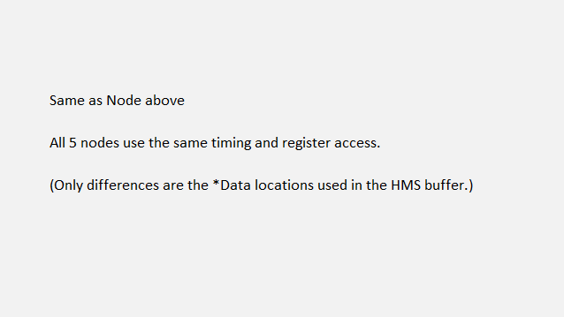
 | Query
 | Response

 | Query
 | Response

 | Query
 | Response

 | Query
 | Response

 | Query
 | Response

 | Query
 | Response

 | Query
 | Response

 | Query
 | Response

Typical Read Structure: |  | Typical Query (Function 7) structure: |  |  |  |  | Typical Write message structure: |  |  |  |  | Subnet Configuration

ProbeConfig

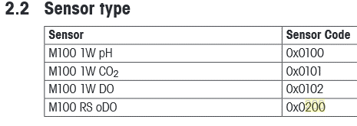
 |  |  |  |  |  |  |  |  |  |  |  |  |  |  |  |  |  |  | HMS Buffer Assignments
HMS-EN2SE-R : "O" Tags (copy/paste) from PLC |  |  | (Analog Sensors)
 |  |  |  |  |  |  |  |  |  |  | Input Area
Name | Value | Style | Data Type | Description | From M100 Modbus Programing Guide |  |  |  |  |  | 0 | 1 | 2 | 3 | 4 | 5 | 6 | 7 | 8 | 9 | A | B | C | D | E | F | 10 | 11 | 12 | 13 | 14 | 15 | 16 | 17 | 18 | 19 | 1A | 1B | 1C | 1D | 1E | 1F
UUC101_IO:O | {...} |  | HM:EN2SE_R429369B1:O:0 |  | Sensor | Unit | Code |  | Node 1 | 0 |  |  |  |  | Read PV |  |  |  | Read SV |  |  |  | Read DLI |  |  |  | Read ACT |  |  |  | Read TTM |  |  |  | Sen_Disc. |  | Wrong S. |  | A.Clave |  |  | Qu
UUC101_IO:O.Node1_PU | 65542 | Decimal | DINT | 16#0001_0006 | pH | pH | 0x00010006 | Primary Units | Node 2 | 20 |  |  |  |  | Read PV |  |  |  | Read SV |  |  |  | Read DLI |  |  |  | Read ACT |  |  |  | Read TTM |  |  |  | Sen_Disc. |  | Wrong S. |  | A.Clave |  |  | Qu
UUC101_IO:O.Node1_SU | 65539 | Decimal | DINT | 16#0001_0003 | pH | Temperature C | 0x00010003 | Secondary Units | Node 3 | 40 |  |  |  |  | Read PV |  |  |  | Read SV |  |  |  | Read DLI |  |  |  | Read ACT |  |  |  | Read TTM |  |  |  | Sen_Disc. |  | Wrong S. |  | A.Clave |  |  | Qu
UUC101_IO:O.Node1_Type | 256 | Decimal | INT | 16#0100 pH | pH | - | 0x0100 | Type | Node 4 | 60 |  |  |  |  | Read PV |  |  |  | Read SV |  |  |  | Read DLI |  |  |  | Read ACT |  |  |  | Read TTM |  |  |  | Sen_Disc. |  | Wrong S. |  | A.Clave |  |  | Qu
 |  |  |  |  | User 1 is Code User 2 is Password |  |  |  | Node 5 | 80 |  |  |  |  | Read PV |  |  |  | Read SV |  |  |  | Read DLI |  |  |  | Read ACT |  |  |  | Read TTM |  |  |  | Sen_Disc. |  | Wrong S. |  | A.Clave |  |  | Qu
UUC101_IO:O.Node1_User1 | 12 | Decimal | DINT | 16#0000_000c |  |  |  |  | Node 6 | A0 |  |  |  |  | Tempory Read Sensor Type (ascii)
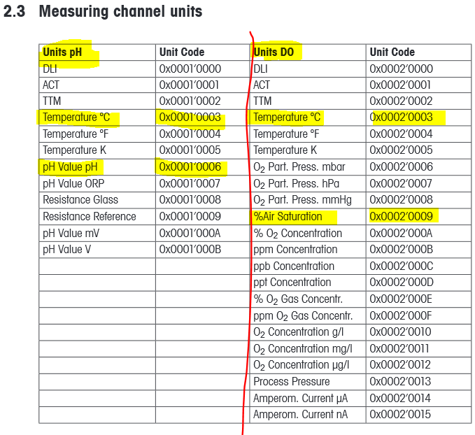
UUC101_IO:O.Node1_User2 | 18111978 | Decimal | DINT | 16#0114_5dea |  |  |  |  |  | C0
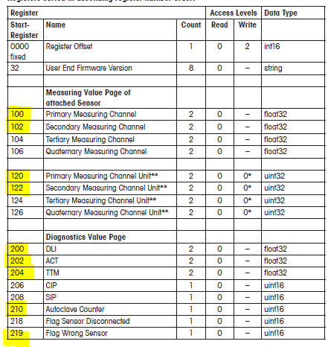
UUC101_IO:O.Node2_PU | 65542 | Decimal | DINT | 16#0001_0006 | pH | pH | 0x00010006 | Primary Units
UUC101_IO:O.Node2_SU | 65539 | Decimal | DINT | 16#0001_0003 | pH | Temperature C | 0x00010003 | Secondary Units
UUC101_IO:O.Node2_Type | 256 | Decimal | INT | 16#0100 pH | pH | - | 0x0100 | Type |  |  | Output Area
 | 22354 | Decimal | INT | 16#5752 | User 1 is Code User 2 is Password |  |  |  |  |  | 0 | 1 | 2 | 3 | 4 | 5 | 6 | 7 | 8 | 9 | A | B | C | D | E | F | 10 | 11 | 12 | 13 | 14 | 15 | 16 | 17 | 18 | 19 | 1A | 1B | 1C | 1D | 1E | 1F
UUC101_IO:O.Node2_User1 | 12 | Decimal | DINT | 16#0000_000c |  |  |  |  | Node 1 | 200 |  |  |  |  | Prb1.Type |  | Prb2.Type |  | Prb3.Type |  | Prb4.Type |  | Prb5.Type |  | Prb6.Type
UUC101_IO:O.Node2_User2 | 18111978 | Decimal | DINT | 16#0114_5dea |  |  |  |  | Node 2 | 220 | N1 - Write PU |  |  |  | N1 - Write SU |  |  |  | N1 - Write User 1 |  |  |  | N1 - Write User 2 |  |  |  | N2 - Write PU |  |  |  | N2 - Write SU |  |  |  | N2 - Write User 1 |  |  |  | N2 - Write User 2
UUC101_IO:O.Node3_PU | 131081 | Decimal | DINT | 16#0002_0009 | DO | %Air Saturation | 0x00020009 | Primary Units | Node 3 | 240 | N3 - Write PU |  |  |  | N3 - Write SU |  |  |  | N3 - Write User 1 |  |  |  | N3 - Write User 2 |  |  |  | N4 - Write PU |  |  |  | N4 - Write SU |  |  |  | N4 - Write User 1 |  |  |  | N4 - Write User 2
UUC101_IO:O.Node3_SU | 131075 | Decimal | DINT | 16#0002_0003 | DO | Temperature C | 0x00020003 | Secondary Units | Node 4 | 260 | N5 - Write PU |  |  |  | N5 - Write SU |  |  |  | N5 - Write User 1 |  |  |  | N5 - Write User 2 |  |  |  | N6 - Write PU |  |  |  | N6 - Write SU |  |  |  | N6 - Write User 1 |  |  |  | N6 - Write User 2
UUC101_IO:O.Node3_Type | 258 | Decimal | INT | 16#0102 DO | DO | - | 0x0102 | Type | Node 5 | 280
 | 22354 | Decimal | INT | 16#5752 | User 1 is Code User 2 is Password |  |  |  |  | 2A0
UUC101_IO:O.Node3_User1 | 12 | Decimal | DINT | 16#0000_000c |  |  |  |  |  | 2C0
UUC101_IO:O.Node3_User2 | 18111978 | Decimal | DINT | 16#0114_5dea
UUC101_IO:O.Node4_PU | 262153 | Decimal | DINT | 16#0004_0009 | oDO | %Air Saturation | 0x00040009 | Primary Units
UUC101_IO:O.Node4_SU | 262147 | Decimal | DINT | 16#0004_0003 | oDO | Temperature C | 0x00040003 | Secondary Units
UUC101_IO:O.Node4_Type | 512 | Decimal | INT | 16#0200 oDO | oDO | - | 0x0200 | Type
 | 22354 | Decimal | INT | 16#5752 | User 1 is Code User 2 is Password
UUC101_IO:O.Node4_User1 | 12 | Decimal | DINT | 16#0000_000c
UUC101_IO:O.Node4_User2 | 18111978 | Decimal | DINT | 16#0114_5dea
UUC101_IO:O.Node5_PU | 196617 | Decimal | DINT | 16#0003_0009 | CO2 | %CO2 Concentration | 0x00030009 | Primary Units
UUC101_IO:O.Node5_SU | 196611 | Decimal | DINT | 16#0003_0003 | CO2 | Temperature C | 0x00030003 | Secondary Units
UUC101_IO:O.Node5_Type | 257 | Decimal | INT | 16#0101 CO2 | CO2 | - | 0x0101 | Type
 | 22354 | Decimal | INT | 16#5752 | User 1 is Code User 2 is Password
UUC101_IO:O.Node5_User1 | 12 | Decimal | DINT | 16#0000_000c
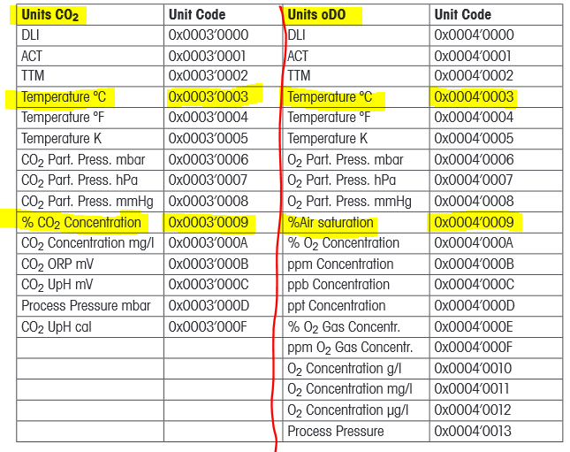
UUC101_IO:O.Node5_User2 | 18111978 | Decimal | DINT | 16#0114_5dea

